Info
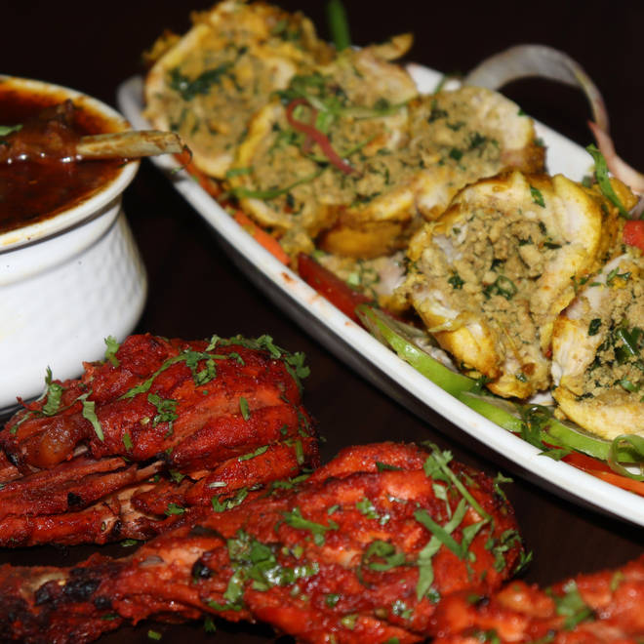
🍊 Restaurant Information

Name | Tandoori Flames
Area | Nizampura
Rating | 4.4
Total Ratings | 3.6K+ ratings
Cuisines | North Indian, Mughlai
Cost for Two | ₹550 for two
Delivery Time | 36 mins
Swiggy URL | https://www.swiggy.com/city/vadodara/tandoori-flames-siddharth-elegance-nizampura-rest76535
Scraped On | 18 Mar 2026, 11:00 am

── Menu Stats ──
Total Items | 173
Veg Items | 0
Non-Veg Items | 0
Bestsellers | 0
Items with Photo | 130
Categories | Recommended, Main Course, Starters, Accompaniments, Add On, Rice and Biryani, Special Offers For You, Breads, Fried Rice & Noodles, Special offers, Soups, Chinese Dishes, Fried Rice and Noodles

