Info
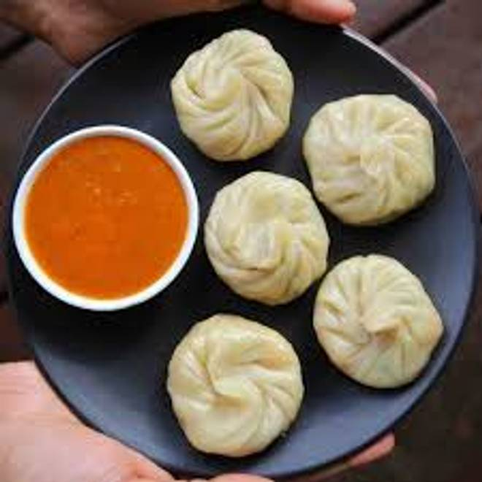
🍊 Restaurant Information

Name | Taste of Banaras
Area | Mandvi
Rating | 4.6
Total Ratings | 68 ratings
Cuisines | Chinese, Street Food
Cost for Two | ₹200 for two
Delivery Time | 61 mins
Swiggy URL | https://www.swiggy.com/city/vadodara/taste-of-banaras-sayaji-township-road-mandvi-rest963775
Scraped On | 18 Mar 2026, 10:58 am

── Menu Stats ──
Total Items | 23
Veg Items | 0
Non-Veg Items | 0
Bestsellers | 0
Items with Photo | 23
Categories | Recommended, Steamed Momos, Fried Momos, Kurkure Momos, Chaat, Paratha

