Info
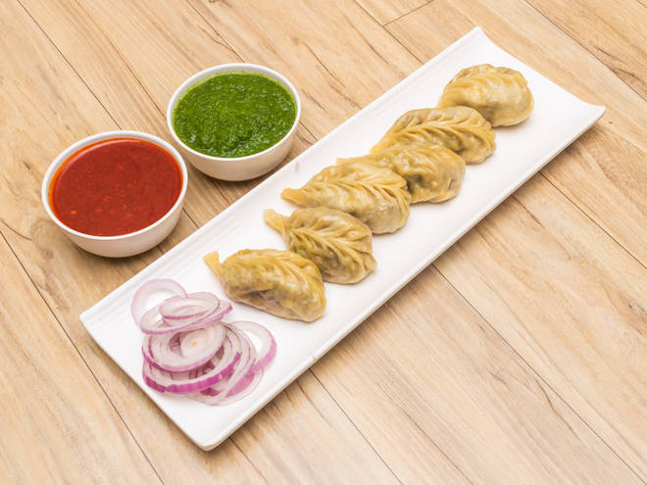
🍊 Restaurant Information

Name | The Chinese Munchies
Area | Akota
Rating | --
Total Ratings | Too Few Ratings
Cuisines | Chinese
Cost for Two | ₹300 for two
Delivery Time | 25 mins
Swiggy URL | https://www.swiggy.com/city/vadodara/the-chinese-munchies-punit-nagar-akota-rest787999
Scraped On | 18 Mar 2026, 10:56 am

── Menu Stats ──
Total Items | 9
Veg Items | 0
Non-Veg Items | 0
Bestsellers | 0
Items with Photo | 4
Categories | Main Course, Starters, Soups

