Info
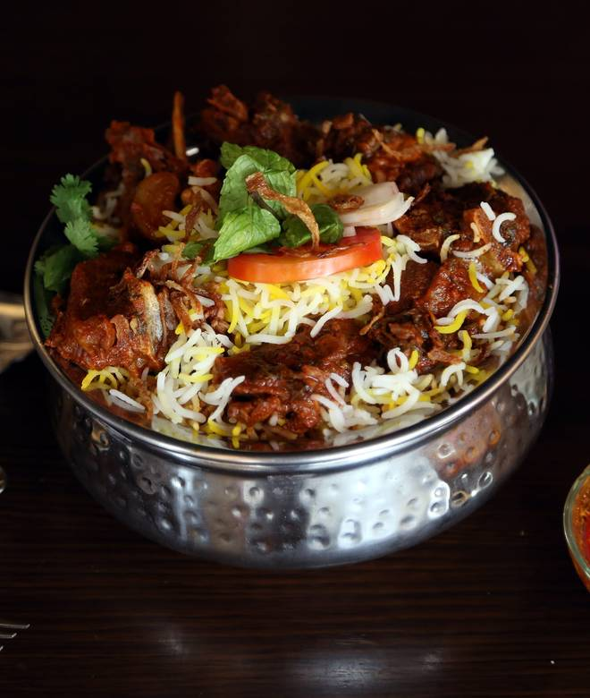
🍊 Restaurant Information

Name | The Deccan Biryani
Area | Subhanpura
Rating | 4.4
Total Ratings | 6 ratings
Cuisines | Tandoor, Combo
Cost for Two | ₹500 for two
Delivery Time | 63 mins
Swiggy URL | https://www.swiggy.com/city/vadodara/the-deccan-biryani-inorbit-mall-subhanpura-rest473605
Scraped On | 18 Mar 2026, 11:05 am

── Menu Stats ──
Total Items | 30
Veg Items | 0
Non-Veg Items | 0
Bestsellers | 0
Items with Photo | 23
Categories | Recommended, Starters, Roti, Chawal Ki Mahek, Zayka E Hyderabad, Party Pack Meals, Non Veg Combo, Desserts

