Info
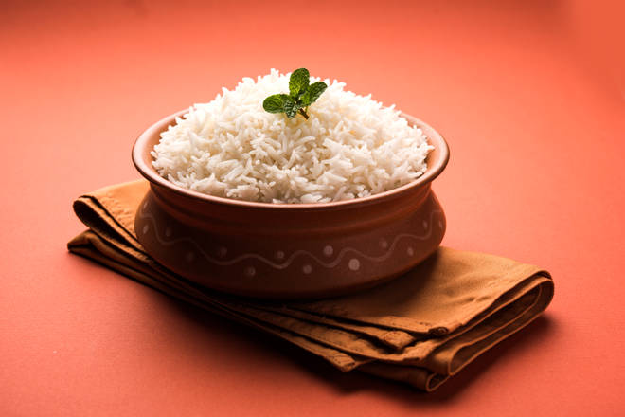
🍊 Restaurant Information

Name | The Food Bowl
Area | Subhanpura
Rating | 4.2
Total Ratings | 186 ratings
Cuisines | Continental, North Indian
Cost for Two | ₹250 for two
Delivery Time | 64 mins
Swiggy URL | https://www.swiggy.com/city/vadodara/the-food-bowl-vadiwadi-subhanpura-rest151237
Scraped On | 18 Mar 2026, 11:05 am

── Menu Stats ──
Total Items | 62
Veg Items | 0
Non-Veg Items | 0
Bestsellers | 0
Items with Photo | 7
Categories | Recommended, Soups And Salads, Starters, Pizzas And Pastas, Desserts And Beverages, Rice Specials, Accompaniments, Buffet Unlimited, Combos, Main Course

