Info
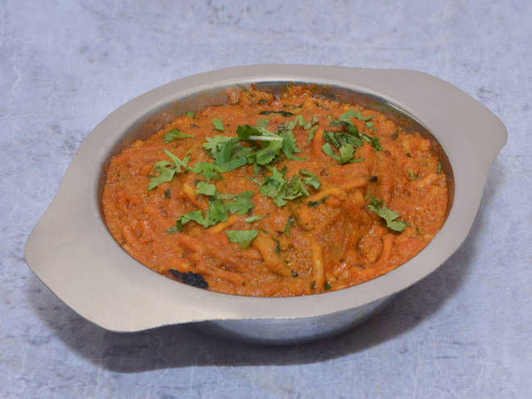
🍊 Restaurant Information

Name | Tulsi Nasta House And Gujarati Thali
Area | Mandvi
Rating | --
Total Ratings | Too Few Ratings
Cuisines | Indian, Beverages
Cost for Two | ₹350 for two
Delivery Time | 41 mins
Swiggy URL | https://www.swiggy.com/city/vadodara/tulsi-nasta-house-and-gujarati-thali-vrudavan-road-mandvi-rest592840
Scraped On | 18 Mar 2026, 10:56 am

── Menu Stats ──
Total Items | 0
Veg Items | 0
Non-Veg Items | 0
Bestsellers | 0
Items with Photo | 0
Categories

