Info
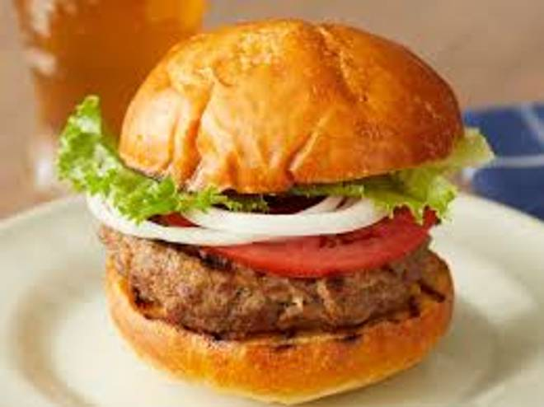
🍊 Restaurant Information

Name | Umiya Sweets And Farsan
Area | Mandvi
Rating | --
Total Ratings | Too Few Ratings
Cuisines | Sweets
Cost for Two | ₹400 for two
Delivery Time | 44 mins
Swiggy URL | https://www.swiggy.com/city/vadodara/umiya-sweets-and-farsan-mandvi-rest1015974
Scraped On | 18 Mar 2026, 10:57 am

── Menu Stats ──
Total Items | 41
Veg Items | 0
Non-Veg Items | 0
Bestsellers | 0
Items with Photo | 0
Categories | Farsan, Sweets

