Info
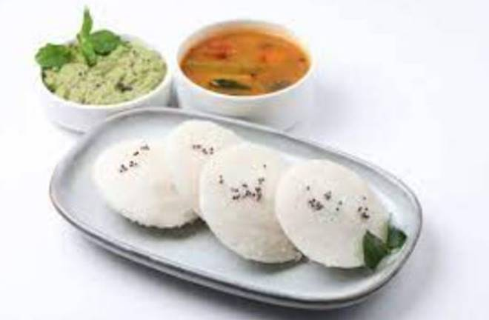
🍊 Restaurant Information

Name | Viha Variety South Corner
Area | Manjalpur
Rating | --
Total Ratings | Too Few Ratings
Cuisines | South Indian
Cost for Two | ₹200 for two
Delivery Time | 34 mins
Swiggy URL | https://www.swiggy.com/city/vadodara/viha-variety-south-corner-manjalpur-rest1065922
Scraped On | 18 Mar 2026, 11:03 am

── Menu Stats ──
Total Items | 13
Veg Items | 0
Non-Veg Items | 0
Bestsellers | 0
Items with Photo | 0
Categories | Dosa, Utapam, Vada, Upama, Idali

