Info
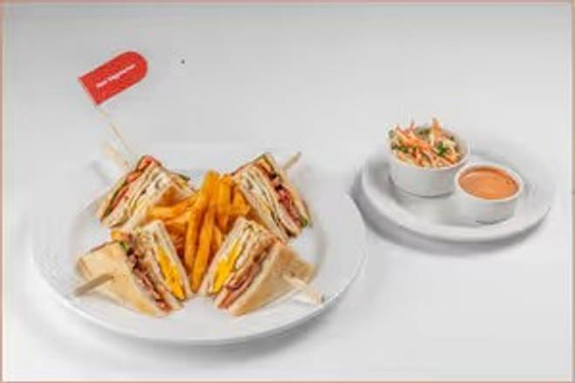
🍊 Restaurant Information

Name | WelcomCafe by Welcomhotel Vadodara
Area | Alkapuri
Rating | 4.8
Total Ratings | 80 ratings
Cuisines | Asian, Indian
Cost for Two | ₹1000 for two
Delivery Time | 38 mins
Swiggy URL | https://www.swiggy.com/city/vadodara/welcomcafe-by-welcomhotel-vadodara-alkapuri-rest291475
Scraped On | 18 Mar 2026, 10:59 am

── Menu Stats ──
Total Items | 77
Veg Items | 0
Non-Veg Items | 0
Bestsellers | 0
Items with Photo | 77
Categories | Breakfast, Appetisers & Snacks, From The Tureen, Salads, Toasts, Stacks & Rolls, Comfort Classics, Pizza | Pasta, Local Love Favourites, Kitchens of India, Biryani & Pulao, Desserts

