Info
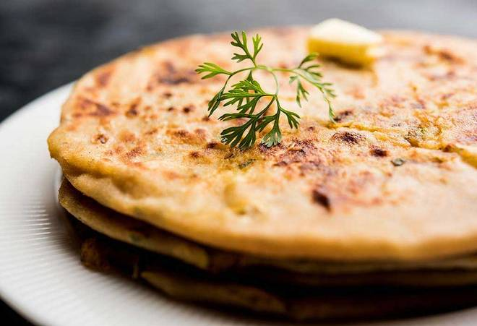
🍊 Restaurant Information

Name | Yummy Aloo Paratha
Area | Kendranagar
Rating | 5
Total Ratings | <3 ratings
Cuisines | Indian
Cost for Two | ₹200 for two
Delivery Time | 41 mins
Swiggy URL | https://www.swiggy.com/city/vadodara/yummy-aloo-paratha-vrundavan-kendranagar-rest603980
Scraped On | 18 Mar 2026, 10:56 am

── Menu Stats ──
Total Items | 3
Veg Items | 0
Non-Veg Items | 0
Bestsellers | 0
Items with Photo | 3
Categories | Combo

