Info
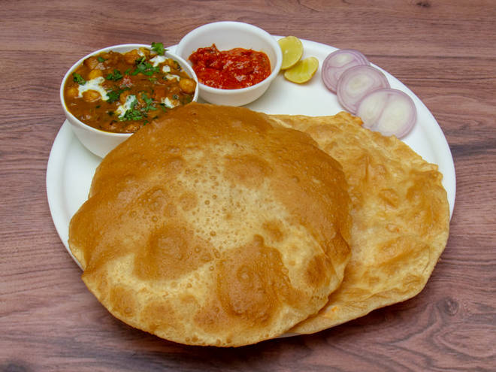
🍊 Restaurant Information

Name | Zaiqa Dilli Da
Area | Alkapuri
Rating | 4.4
Total Ratings | 97 ratings
Cuisines | Indian
Cost for Two | ₹200 for two
Delivery Time | 24 mins
Swiggy URL | https://www.swiggy.com/city/vadodara/zaiqa-dilli-da-nand-gam-society-alkapuri-rest480035
Scraped On | 18 Mar 2026, 10:56 am

── Menu Stats ──
Total Items | 0
Veg Items | 0
Non-Veg Items | 0
Bestsellers | 0
Items with Photo | 0
Categories

