Info
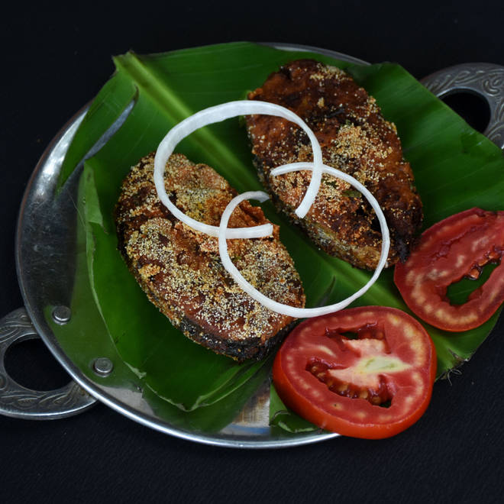
🍊 Restaurant Information

Name | Ajay Hotel ( Biryani , Combo & More)
Area | Makarpura
Rating | 4.4
Total Ratings | 25K+ ratings
Cuisines | North Indian, Chinese
Cost for Two | ₹250 for two
Delivery Time | 34 mins
Swiggy URL | https://www.swiggy.com/city/vadodara/ajay-hotel-biryani-combo-and-more-makarpura-rest79826
Scraped On | 18 Mar 2026, 11:26 am

── Menu Stats ──
Total Items | 74
Veg Items | 0
Non-Veg Items | 0
Bestsellers | 0
Items with Photo | 58
Categories | Recommended, Chicken Gravy Items, Chicken Dry Items, Rice & Roti, Combos, Ande ka Fanda, Paneer Items, Family Binge Combos, Veg Items, Prawns Gravy Items, Fish Fry Items, Prawns Dry Item, Fish Gravy Items

