Info
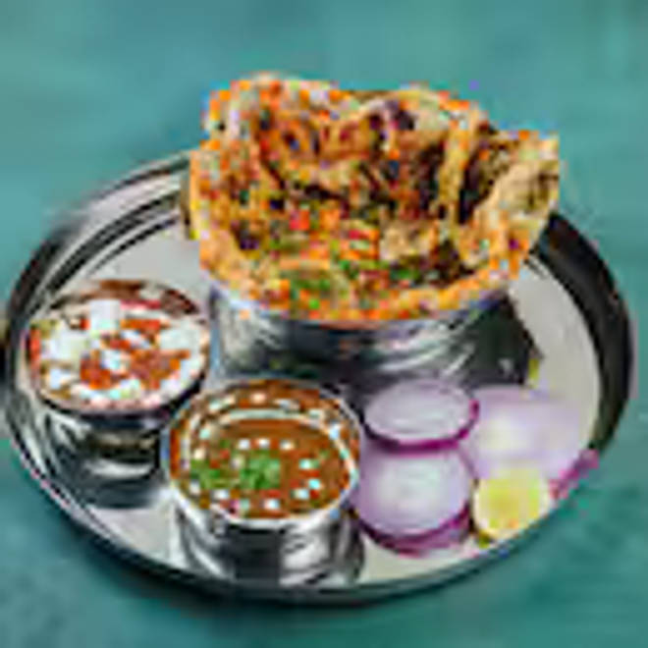
🍊 Restaurant Information

Name | Amritsari kulcha
Area | Alkapuri
Rating | 4.5
Total Ratings | 223 ratings
Cuisines | Fast Food
Cost for Two | ₹199 for two
Delivery Time | 19 mins
Swiggy URL | https://www.swiggy.com/city/vadodara/amritsari-kulcha-akota-alkapuri-rest1288767
Scraped On | 18 Mar 2026, 11:23 am

── Menu Stats ──
Total Items | 161
Veg Items | 0
Non-Veg Items | 0
Bestsellers | 0
Items with Photo | 36
Categories | Kulcha, Aatta Kulcha, Cold Drinks, Amritsari Special Thali, Soup, Starter, Tandoor Se, Main Course, Papad, Salad, Rice, Dal, Kulcha Combo, North Indian Combos

