Info
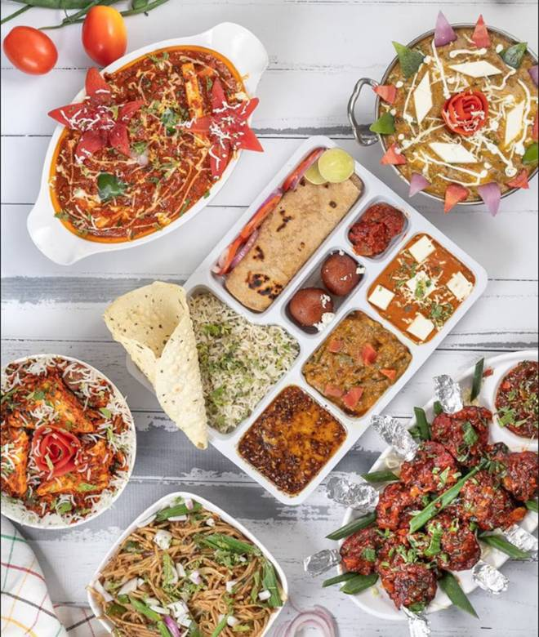
🍊 Restaurant Information

Name | Anmol Catering & Events
Area | Sardar Estate
Rating | 4.4
Total Ratings | 9.9K+ ratings
Cuisines | Biryani, Chinese
Cost for Two | ₹250 for two
Delivery Time | 34 mins
Swiggy URL | https://www.swiggy.com/city/vadodara/anmol-catering-and-events-ajwa-road-sardar-estate-rest125975
Scraped On | 18 Mar 2026, 11:24 am

── Menu Stats ──
Total Items | 185
Veg Items | 0
Non-Veg Items | 0
Bestsellers | 0
Items with Photo | 95
Categories | Meals For One, Pack Lunch, Dinner, Soups, Starters, Main Course, Breads, Tandoori Breads, Rice And Biryani, Fried Rice And Noodles, Party Combo, Accompaniments, Dessert And Beverage, Jain & Swaminarayan Specials, Soya Chaap Special

