Info
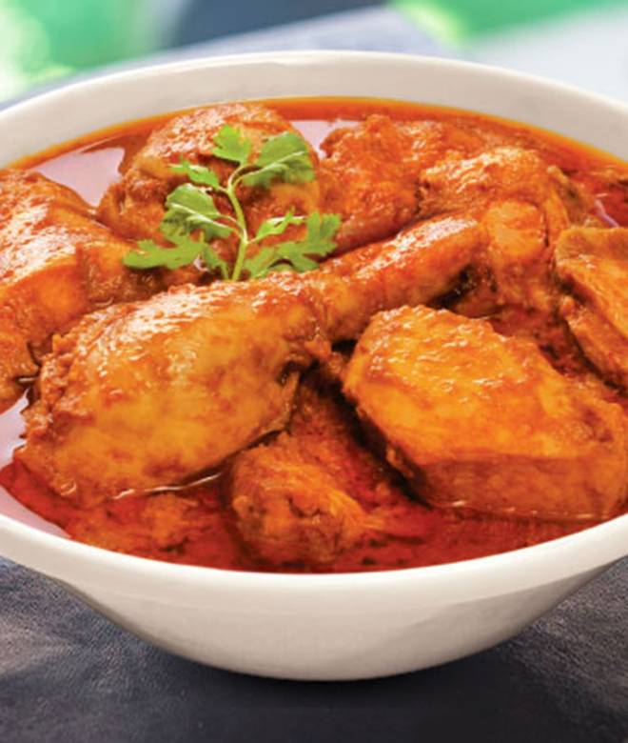
🍊 Restaurant Information

Name | Aryan Restaurant
Area | Nizampura
Rating | 4.1
Total Ratings | 16K+ ratings
Cuisines | Mughlai, Chinese
Cost for Two | ₹600 for two
Delivery Time | 31 mins
Swiggy URL | https://www.swiggy.com/city/vadodara/aryan-restaurant-old-chhani-road-nizampura-rest85378
Scraped On | 18 Mar 2026, 11:26 am

── Menu Stats ──
Total Items | 121
Veg Items | 0
Non-Veg Items | 0
Bestsellers | 0
Items with Photo | 113
Categories | Recommended, Party Combos, Soups, Starters, Veg Main Course, Non Veg Main Course, Rice And Biryani, Chinese, Fried Rice And Noodles, Breads And Roti, Accompaniments, Sp Deals

