Info
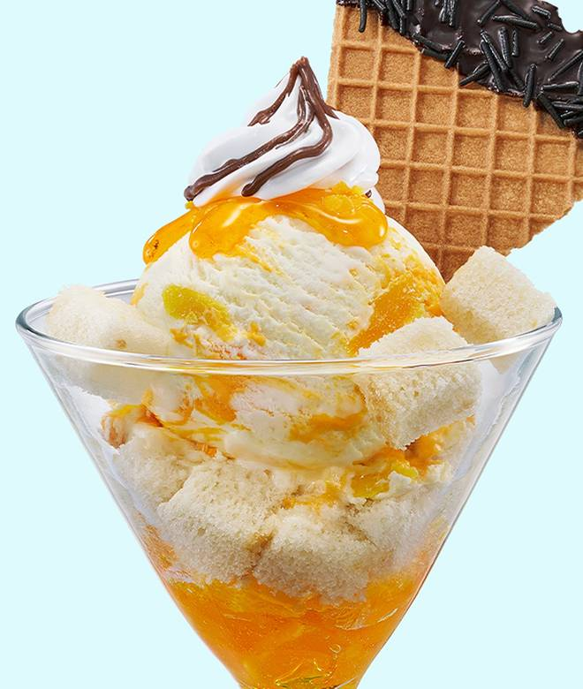
🍊 Restaurant Information

Name | Baskin Robbins - Ice Cream Desserts
Area | Fatehgunj
Rating | 4.8
Total Ratings | 190 ratings
Cuisines | Desserts, Ice Cream
Cost for Two | ₹250 for two
Delivery Time | 30 mins
Swiggy URL | https://www.swiggy.com/city/vadodara/baskin-robbins-ice-cream-desserts-vip-road-fatehgunj-rest583017
Scraped On | 18 Mar 2026, 11:21 am

── Menu Stats ──
Total Items | 103
Veg Items | 0
Non-Veg Items | 0
Bestsellers | 0
Items with Photo | 103
Categories | Treats Beyond Ice Cream, Newly Launched Ice Creams, Newly Launched Italian Gelatos, Chocolate Ice Creams, Ice Cream Cakes, Classic & Nuts Ice Creams, Fruit Ice Creams, Sundaes, Beverages, Family Prepacks, Freshly Scooped Tubs, Gifting And Sharing, Value Scoops

