Info
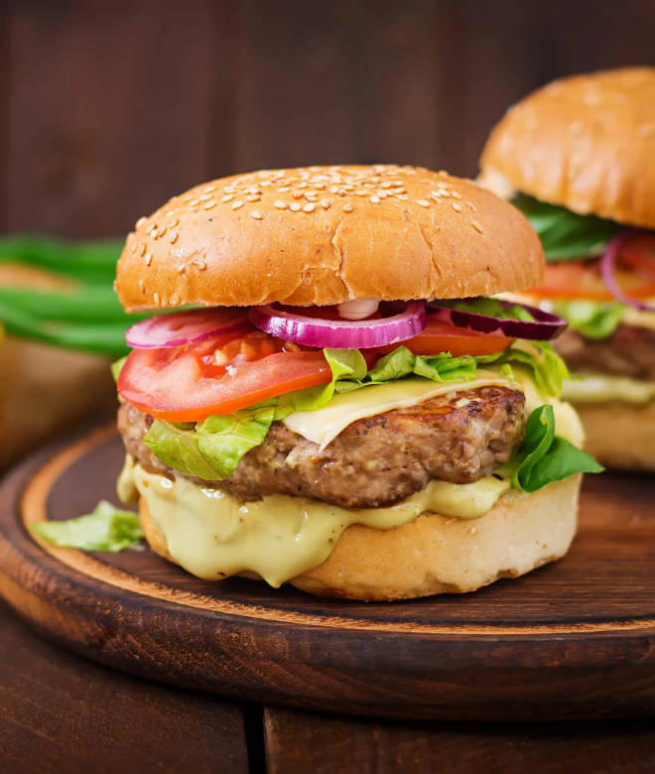
🍊 Restaurant Information

Name | Burger Delight
Area | Mandvi
Rating | 4.2
Total Ratings | 20 ratings
Cuisines | Burgers, Fast Food
Cost for Two | ₹200 for two
Delivery Time | 41 mins
Swiggy URL | https://www.swiggy.com/city/vadodara/burger-delight-amar-nagar-mandvi-rest807911
Scraped On | 18 Mar 2026, 11:19 am

── Menu Stats ──
Total Items | 28
Veg Items | 0
Non-Veg Items | 0
Bestsellers | 0
Items with Photo | 13
Categories | Recommended, Burger, Pizza, French Fries, Fried Momos, Combo 3, Combo 2, Combo 1, Grilled sandwich, Combo 4

