Info
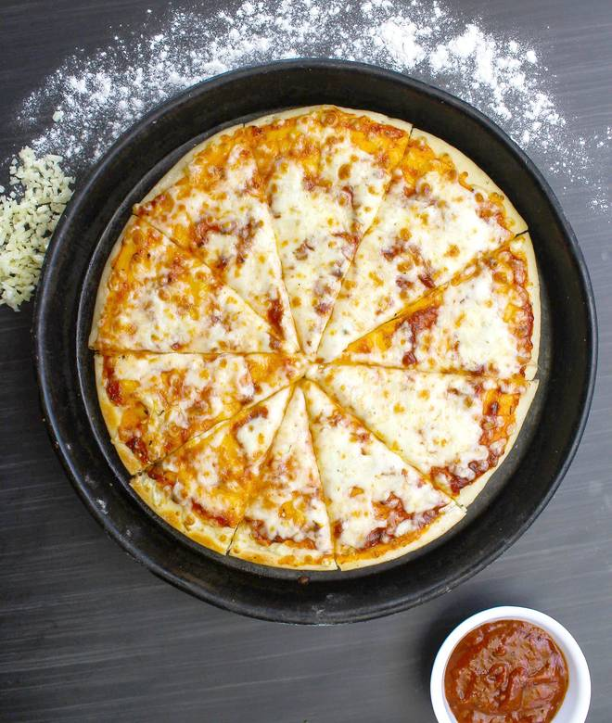
🍊 Restaurant Information

Name | Cafe Hut
Area | Sayajipura
Rating | 4.9
Total Ratings | 9 ratings
Cuisines | Pizzas, Snacks
Cost for Two | ₹200 for two
Delivery Time | 37 mins
Swiggy URL | https://www.swiggy.com/city/vadodara/cafe-hut-ajwa-road-sayajipura-rest467049
Scraped On | 18 Mar 2026, 11:19 am

── Menu Stats ──
Total Items | 0
Veg Items | 0
Non-Veg Items | 0
Bestsellers | 0
Items with Photo | 0
Categories

