Info
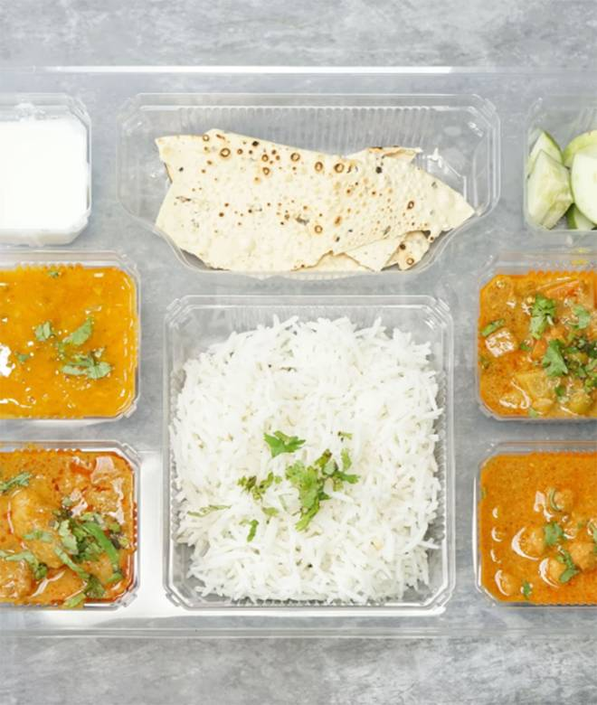
🍊 Restaurant Information

Name | Chakh le India
Area | sayajigunj
Rating | 3.8
Total Ratings | 2.5K+ ratings
Cuisines | Thalis
Cost for Two | ₹100 for two
Delivery Time | 20 mins
Swiggy URL | https://www.swiggy.com/city/vadodara/chakh-le-india-st-depo-road-sayajigunj-rest633396
Scraped On | 18 Mar 2026, 11:20 am

── Menu Stats ──
Total Items | 37
Veg Items | 0
Non-Veg Items | 0
Bestsellers | 0
Items with Photo | 30
Categories | Recommended, Main Course(300Ml), Combo, Thali, Breads, 99 Store

