Info
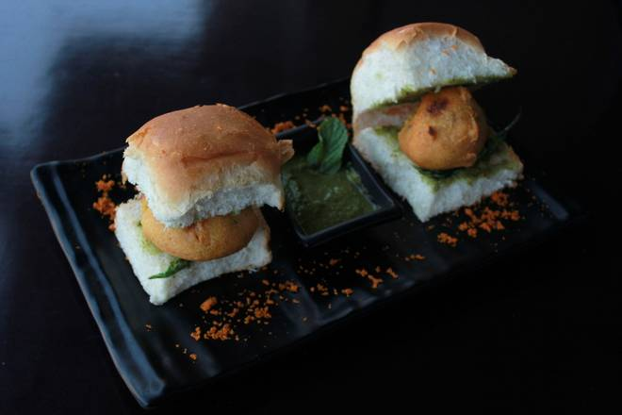
🍊 Restaurant Information

Name | Chatko Vadapav
Area | Dandia Bazar
Rating | --
Total Ratings | Too Few Ratings
Cuisines | Snacks, Burgers
Cost for Two | ₹300 for two
Delivery Time | 28 mins
Swiggy URL | https://www.swiggy.com/city/vadodara/chatko-vadapav-near-yamuna-agarbatti-shop-dandia-bazar-rest700489
Scraped On | 18 Mar 2026, 11:19 am

── Menu Stats ──
Total Items | 0
Veg Items | 0
Non-Veg Items | 0
Bestsellers | 0
Items with Photo | 0
Categories

