Info
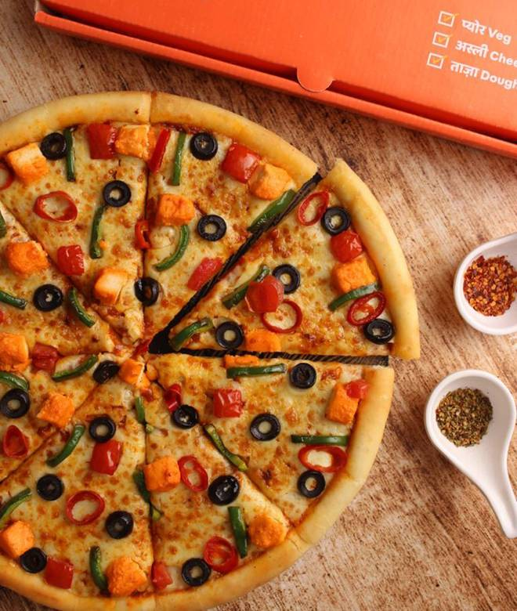
🍊 Restaurant Information

Name | Cheelizza - India Ka Pizza
Area | Fatehgunj
Rating | 4.3
Total Ratings | 4.5K+ ratings
Cuisines | Pizzas, Pastas
Cost for Two | ₹400 for two
Delivery Time | 28 mins
Swiggy URL | https://www.swiggy.com/city/vadodara/cheelizza-india-ka-pizza-fatehgunj-rest233005
Scraped On | 18 Mar 2026, 11:22 am

── Menu Stats ──
Total Items | 97
Veg Items | 0
Non-Veg Items | 0
Bestsellers | 0
Items with Photo | 97
Categories | Buy 1 Get 1 Free, Recommended, Pizzas, All Jain, Pastas, Garlic Breads, Sides, Desserts, Pizzas_Flat 50% Off

