Info
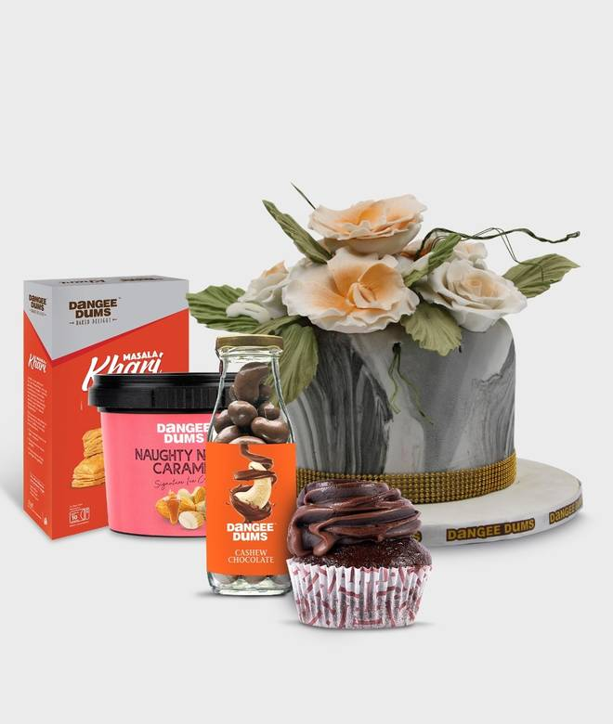
🍊 Restaurant Information

Name | Dangee Dums
Area | Karelibagh
Rating | 4.6
Total Ratings | 536 ratings
Cuisines | Bakery, Desserts
Cost for Two | ₹500 for two
Delivery Time | 23 mins
Swiggy URL | https://www.swiggy.com/city/vadodara/dangee-dums-karelibaug-karelibagh-rest217789
Scraped On | 18 Mar 2026, 11:22 am

── Menu Stats ──
Total Items | 31
Veg Items | 0
Non-Veg Items | 0
Bestsellers | 0
Items with Photo | 24
Categories | Cakes{500Gm}, Premium Ice Cream, Mini Cakes (200gm), Cupcakes, Brownie, Party Materials

