Info
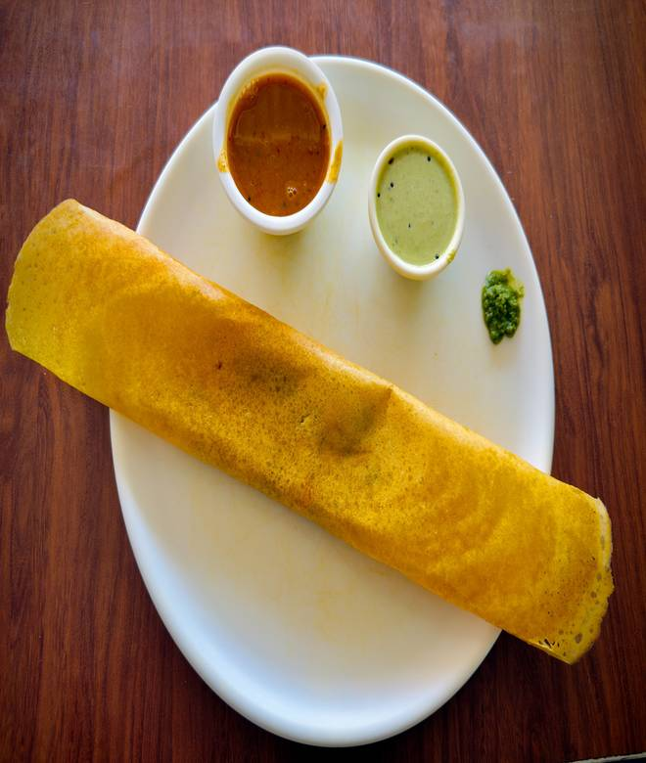
🍊 Restaurant Information

Name | Dosa House
Area | SUSHIL NAGAR
Rating | 4.3
Total Ratings | 23 ratings
Cuisines | South Indian
Cost for Two | ₹250 for two
Delivery Time | 26 mins
Swiggy URL | https://www.swiggy.com/city/vadodara/dosa-house-nizampura-sushil-nagar-rest1091288
Scraped On | 18 Mar 2026, 11:22 am

── Menu Stats ──
Total Items | 61
Veg Items | 0
Non-Veg Items | 0
Bestsellers | 0
Items with Photo | 34
Categories | Recommended, South Indian, Add-on

