Info
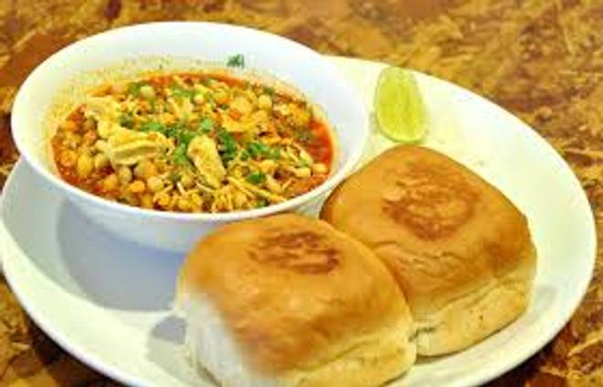
🍊 Restaurant Information

Name | Egg Wala
Area | Mandvi
Rating | --
Total Ratings | Too Few Ratings
Cuisines | Indian
Cost for Two | ₹200 for two
Delivery Time | 40 mins
Swiggy URL | https://www.swiggy.com/city/vadodara/egg-wala-mayur-society-mandvi-rest625757
Scraped On | 18 Mar 2026, 11:19 am

── Menu Stats ──
Total Items | 35
Veg Items | 0
Non-Veg Items | 0
Bestsellers | 0
Items with Photo | 6
Categories | Egg Pulao

