Info
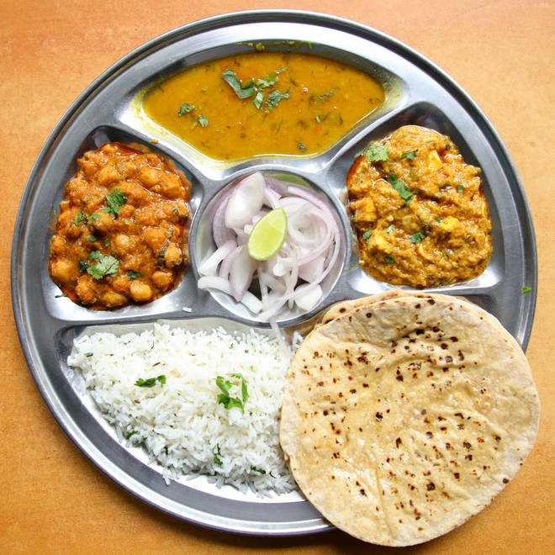
🍊 Restaurant Information

Name | Flavor Restaurant
Area | Alkapuri
Rating | 4.5
Total Ratings | 10K+ ratings
Cuisines | North Indian, Gujarati
Cost for Two | ₹200 for two
Delivery Time | 16 mins
Swiggy URL | https://www.swiggy.com/city/vadodara/flavor-restaurant-alkapuri-rest67483
Scraped On | 18 Mar 2026, 11:26 am

── Menu Stats ──
Total Items | 35
Veg Items | 0
Non-Veg Items | 0
Bestsellers | 0
Items with Photo | 22
Categories | Recommended, Combos, Main Course, Thalis, 99 Store, Rice & Biryani, Beverage

