Info
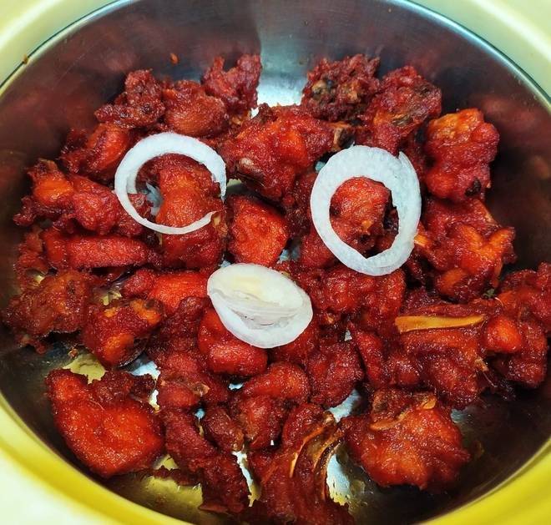
🍊 Restaurant Information

Name | Flavour Fusion
Area | Fatehgunj
Rating | --
Total Ratings | Too Few Ratings
Cuisines | Cafe
Cost for Two | ₹200 for two
Delivery Time | 34 mins
Swiggy URL | https://www.swiggy.com/city/vadodara/flavour-fusion-fatehgunj-rest1203673
Scraped On | 18 Mar 2026, 11:27 am

── Menu Stats ──
Total Items | 28
Veg Items | 0
Non-Veg Items | 0
Bestsellers | 0
Items with Photo | 26
Categories | Frankies, Sandwiches, Burgers, French Fries, Maggi, Garlic Bread

