Info
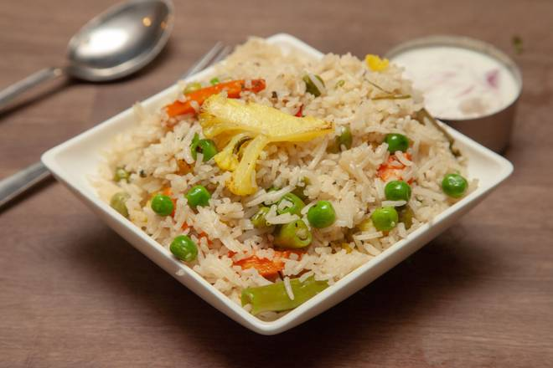
🍊 Restaurant Information

Name | Gayatri Bhavan
Area | Akota
Rating | 3.7
Total Ratings | 496 ratings
Cuisines | North Indian
Cost for Two | ₹199 for two
Delivery Time | 20 mins
Swiggy URL | https://www.swiggy.com/city/vadodara/gayatri-bhavan-akota-rest1277649
Scraped On | 18 Mar 2026, 11:22 am

── Menu Stats ──
Total Items | 33
Veg Items | 0
Non-Veg Items | 0
Bestsellers | 0
Items with Photo | 25
Categories | Special thali, Main course, Premium thali, Combos, Rice And Biryani, Breads

