Info
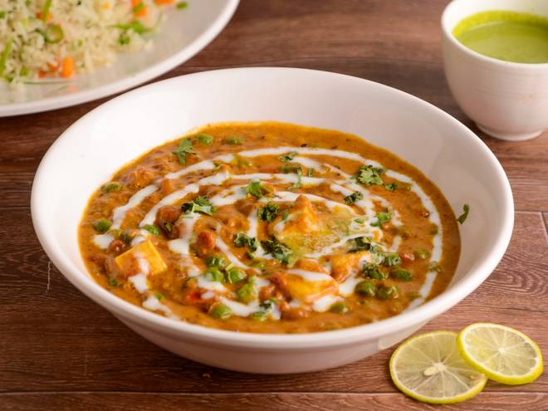
🍊 Restaurant Information

Name | Girganga Dining Hall
Area | Fatehgunj
Rating | 5
Total Ratings | 3 ratings
Cuisines | Gujarati, German
Cost for Two | ₹250 for two
Delivery Time | 45 mins
Swiggy URL | https://www.swiggy.com/city/vadodara/girganga-dining-hall-fatehgunj-rest1063350
Scraped On | 18 Mar 2026, 11:20 am

── Menu Stats ──
Total Items | 17
Veg Items | 0
Non-Veg Items | 0
Bestsellers | 0
Items with Photo | 0
Categories | Main Course, Mithai, Bread, Accompaniments, Beverages, Farshan

