Info
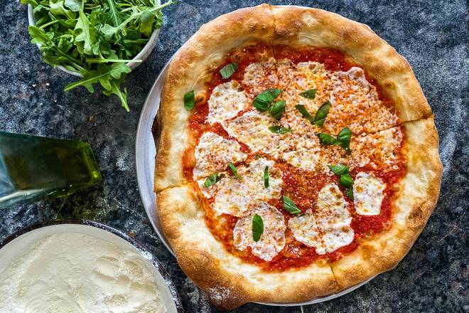
🍊 Restaurant Information

Name | Hani Fast Food
Area | Mandvi
Rating | 2.8
Total Ratings | 4 ratings
Cuisines | Fast Food, Burgers
Cost for Two | ₹300 for two
Delivery Time | 35 mins
Swiggy URL | https://www.swiggy.com/city/vadodara/hani-fast-food-mandvi-rest944657
Scraped On | 18 Mar 2026, 11:18 am

── Menu Stats ──
Total Items | 48
Veg Items | 0
Non-Veg Items | 0
Bestsellers | 0
Items with Photo | 23
Categories | Rolls, Snacks, Veg Burger, Non Veg Burgers, Maggi, Chicken rolls, Paneer Burger, Chicken Pizza

