Info
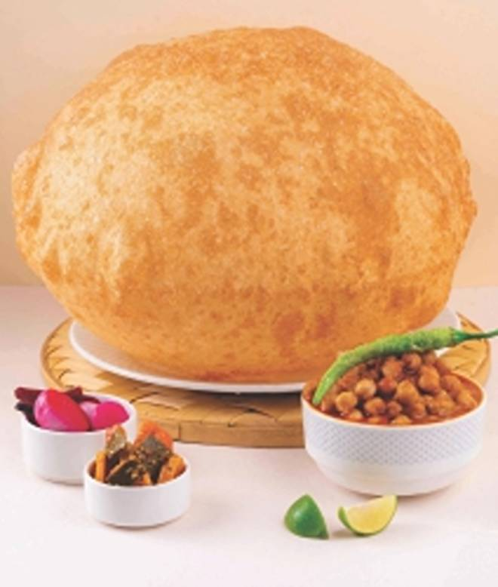
🍊 Restaurant Information

Name | Hocco Eatery
Area | Manjalpur
Rating | 4.5
Total Ratings | 801 ratings
Cuisines | pav bhaji, Snacks
Cost for Two | ₹350 for two
Delivery Time | 31 mins
Swiggy URL | https://www.swiggy.com/city/vadodara/hocco-eatery-manjalpur-rest145876
Scraped On | 18 Mar 2026, 11:23 am

── Menu Stats ──
Total Items | 135
Veg Items | 0
Non-Veg Items | 0
Bestsellers | 0
Items with Photo | 124
Categories | Recommended, 500 Gm Tubs, Hocco Specialities, Parathas, Biryani & Pulao, Burgers, Wraps, Pizza, Beverages, Beverages(k), Dessert, Hocco Ice Cream, Ice Cream Scoops, Ice Cream Shakes, Extra Items

