Info
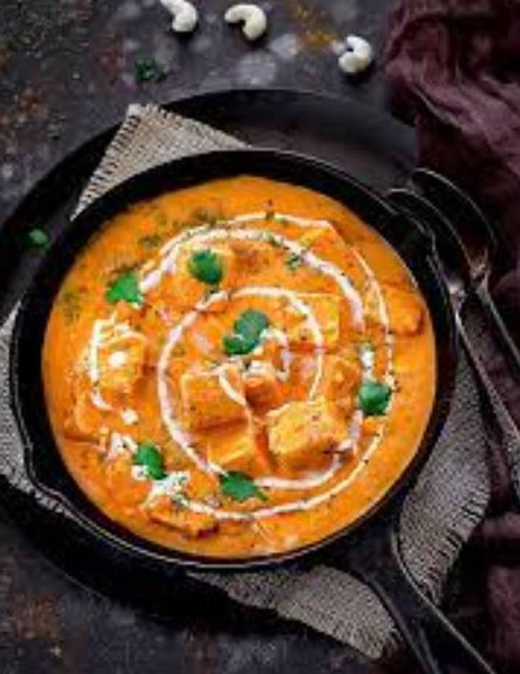
🍊 Restaurant Information

Name | Hot King Chinese
Area | Mandvi
Rating | --
Total Ratings | Too Few Ratings
Cuisines | Fast Food
Cost for Two | ₹199 for two
Delivery Time | 38 mins
Swiggy URL | https://www.swiggy.com/city/vadodara/hot-king-chinese-mandvi-rest1027998
Scraped On | 18 Mar 2026, 11:19 am

── Menu Stats ──
Total Items | 20
Veg Items | 0
Non-Veg Items | 0
Bestsellers | 0
Items with Photo | 4
Categories | Snacks, Accompaniments

