Info
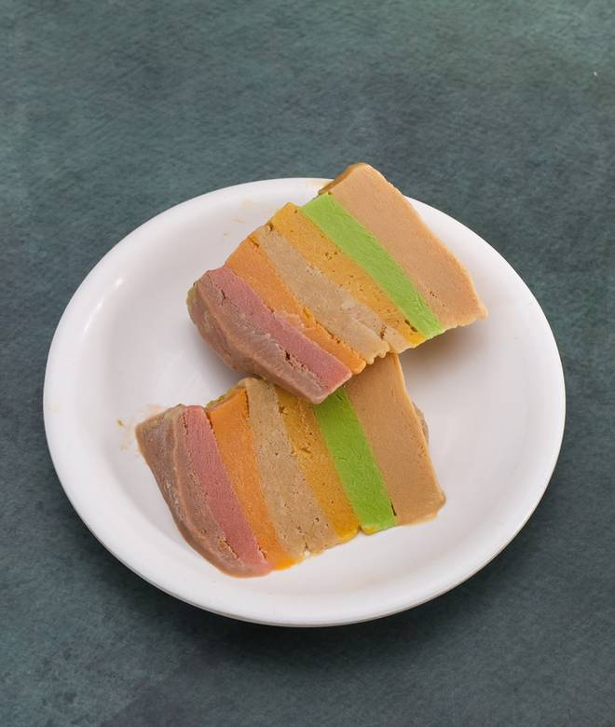
🍊 Restaurant Information

Name | Ice Cream Wala
Area | Mandvi
Rating | 4.6
Total Ratings | 6 ratings
Cuisines | Beverages, Ice Cream
Cost for Two | ₹200 for two
Delivery Time | 23 mins
Swiggy URL | https://www.swiggy.com/city/vadodara/ice-cream-wala-mandvi-rest1310135
Scraped On | 18 Mar 2026, 11:19 am

── Menu Stats ──
Total Items | 44
Veg Items | 0
Non-Veg Items | 0
Bestsellers | 0
Items with Photo | 38
Categories | Rajasthani Kulfi, Cold Coco & Salad's, Shakes, Ice cream wala sp. matka rabdi, Combos

