Info
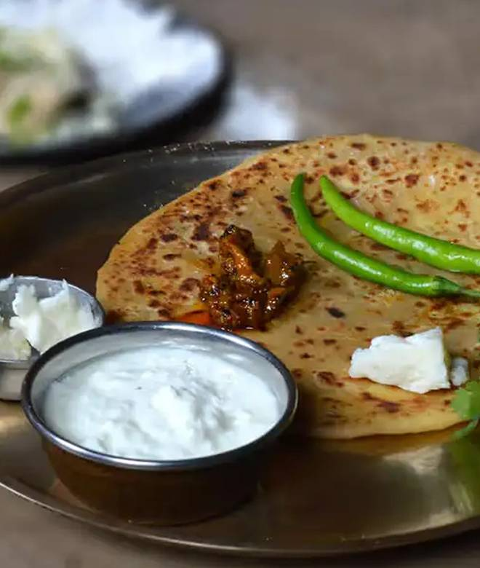
🍊 Restaurant Information

Name | Jassi De Parathe
Area | Panorama Complex
Rating | 4.6
Total Ratings | 10K+ ratings
Cuisines | North Indian, Punjabi
Cost for Two | ₹500 for two
Delivery Time | 23 mins
Swiggy URL | https://www.swiggy.com/city/vadodara/jassi-de-parathe-alkapuri-panorama-complex-rest286831
Scraped On | 18 Mar 2026, 11:22 am

── Menu Stats ──
Total Items | 130
Veg Items | 0
Non-Veg Items | 0
Bestsellers | 0
Items with Photo | 114
Categories | Recommended, Fix Lunch, Kuch Thanda Ho Jaye, Chattar Pattar, Tandoori Starters, Kabab, Raite, Sabjiyan, Rotiyaan, Dal, Chawal, Tandoori Kulche, Ek Sath Khana (Combo), Kuch Meetha Ho Jaye, Extra Item, Paratha, Ek Sath Khana (Combo).

