Info
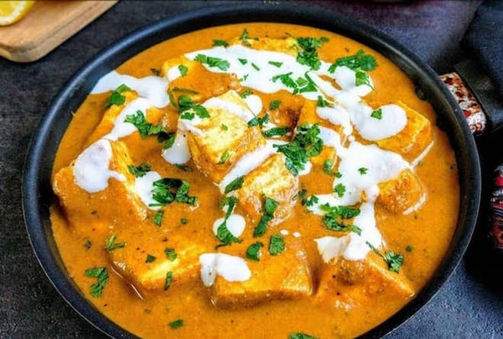
🍊 Restaurant Information

Name | Kake Di Hatti
Area | Akota
Rating | 4.3
Total Ratings | 894 ratings
Cuisines | Beverages, Indian
Cost for Two | ₹400 for two
Delivery Time | 32 mins
Swiggy URL | https://www.swiggy.com/city/vadodara/kake-di-hatti-sunpharma-road-akota-rest663296
Scraped On | 18 Mar 2026, 11:24 am

── Menu Stats ──
Total Items | 240
Veg Items | 0
Non-Veg Items | 0
Bestsellers | 0
Items with Photo | 102
Categories | Recommended, Kake Curries [350 Gm], Tandoori Starters [200 Gm], Todays Exclusive Meal, Suffed Naan, Parathas From Kakes Tandoor, Rice & Biryani, Chinese Starters [220 Gm], Kake Specail Tandoor Se [400 Gm], Soup [250 Ml], World Cuisines Mains, Roti / Paratha, Pasta [220 Gm], Kakeolls Naan Rolls, Dal [400 Gm], Global Starters, Indian Breads, Beverages [250 Ml], Papadum, Chats, Desserts, Indian Starters, Raita [180 Gm], Shots [60 Ml], Salad [280 Gm], Ice Cream, Thalis

