Info
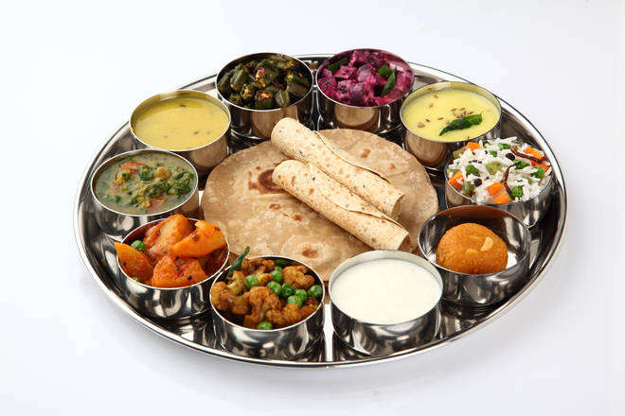
🍊 Restaurant Information

Name | Kansaar Gujarati Thali
Area | Sayajiganj
Rating | 4.4
Total Ratings | 11K+ ratings
Cuisines | Gujarati
Cost for Two | ₹358 for two
Delivery Time | 21 mins
Swiggy URL | https://www.swiggy.com/city/vadodara/kansaar-gujarati-thali-sayajiganj-rest68355
Scraped On | 18 Mar 2026, 11:25 am

── Menu Stats ──
Total Items | 29
Veg Items | 0
Non-Veg Items | 0
Bestsellers | 0
Items with Photo | 24
Categories | Thali, Tiffin, Combos, NEW LAUNCH, Main Course, Rice, Desserts, Farsan Specials, Breads, Accompaniments, Dinner

