Info
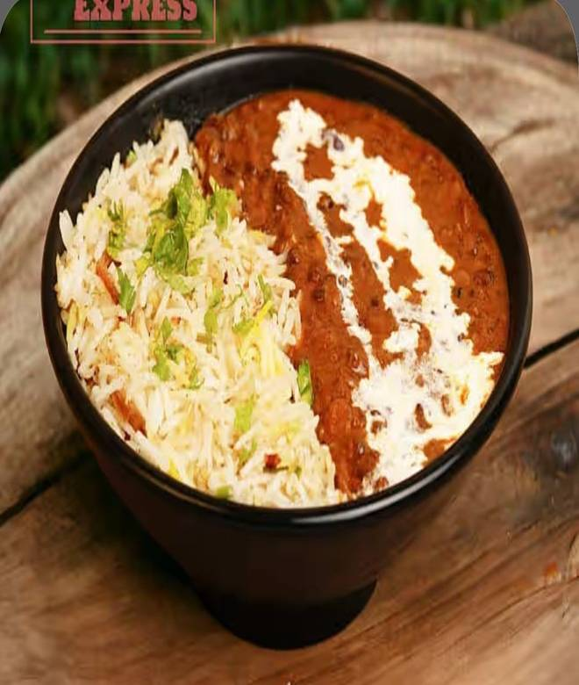
🍊 Restaurant Information

Name | Khichdi tales
Area | Akota
Rating | 3.9
Total Ratings | 24 ratings
Cuisines | Biryani
Cost for Two | ₹250 for two
Delivery Time | 25 mins
Swiggy URL | https://www.swiggy.com/city/vadodara/khichdi-tales-akota-rest1178811
Scraped On | 18 Mar 2026, 11:20 am

── Menu Stats ──
Total Items | 43
Veg Items | 0
Non-Veg Items | 0
Bestsellers | 0
Items with Photo | 34
Categories | Rice Bowls, Sides & Beverages, Vegan & No Onion No Garlic Rice Bowls, Paratha Meal Combo, Biryani Bowls, A La Carte, Desserts, Beverages, Healthy Bowls By Mex

