Info
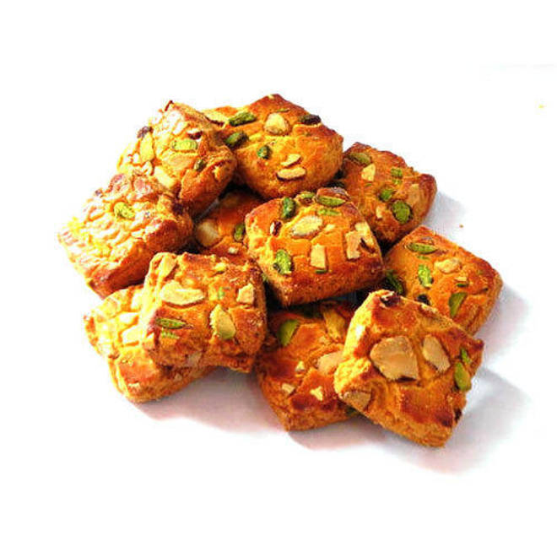
🍊 Restaurant Information

Name | Kreamy Krumbs
Area | Mandvi
Rating | --
Total Ratings | Too Few Ratings
Cuisines | Bakery
Cost for Two | ₹200 for two
Delivery Time | 41 mins
Swiggy URL | https://www.swiggy.com/city/vadodara/kreamy-krumbs-waghodia-rd-mandvi-rest682658
Scraped On | 18 Mar 2026, 11:20 am

── Menu Stats ──
Total Items | 5
Veg Items | 0
Non-Veg Items | 0
Bestsellers | 0
Items with Photo | 0
Categories | Recommended

