Info
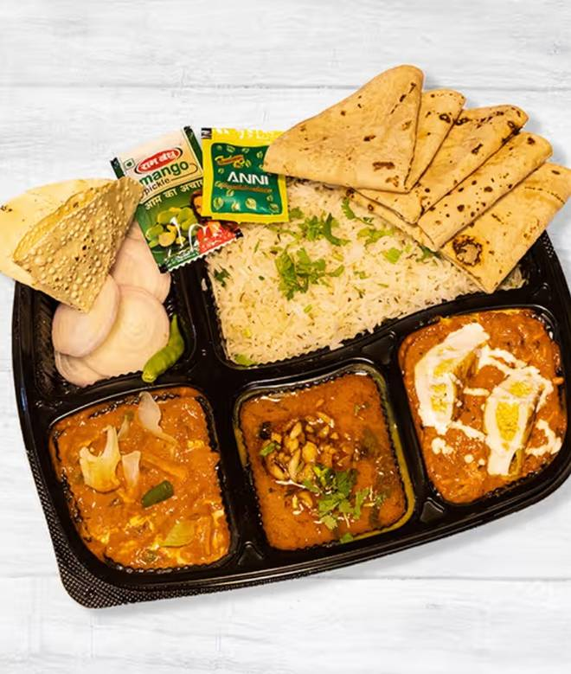
🍊 Restaurant Information

Name | Krishna Foodies
Area | Fatehgunj
Rating | 3.8
Total Ratings | 98 ratings
Cuisines | Cafe
Cost for Two | ₹200 for two
Delivery Time | 41 mins
Swiggy URL | https://www.swiggy.com/city/vadodara/krishna-foodies-fatehgunj-rest1122377
Scraped On | 18 Mar 2026, 11:24 am

── Menu Stats ──
Total Items | 20
Veg Items | 0
Non-Veg Items | 0
Bestsellers | 0
Items with Photo | 16
Categories | Recommended, Main Course, Chinese Dishes, 99 Store, Pastas, Fast Food

