Info
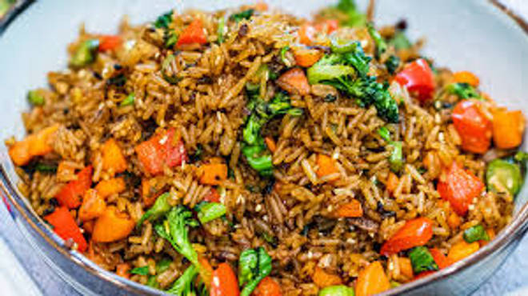
🍊 Restaurant Information

Name | Kuber Kitchen
Area | Mandvi
Rating | --
Total Ratings | Too Few Ratings
Cuisines | Gujarati
Cost for Two | ₹200 for two
Delivery Time | 42 mins
Swiggy URL | https://www.swiggy.com/city/vadodara/kuber-kitchen-mandvi-rest1034622
Scraped On | 18 Mar 2026, 11:20 am

── Menu Stats ──
Total Items | 67
Veg Items | 0
Non-Veg Items | 0
Bestsellers | 0
Items with Photo | 26
Categories | Rice Or Biryani, Roti Or Paratha, Chinese Starter, Kulcha, Noodles, Soup, Dal, Beverages, Papad, Chinese Main Course, Biryani

