Info
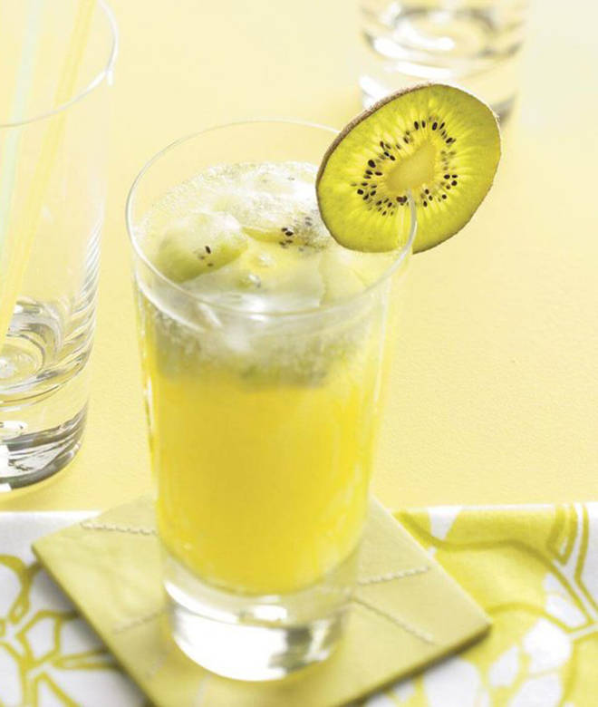
🍊 Restaurant Information

Name | Kudrati Kahumbo
Area | Karelibaug
Rating | 4.3
Total Ratings | 109 ratings
Cuisines | Beverages, Juices
Cost for Two | ₹250 for two
Delivery Time | 25 mins
Swiggy URL | https://www.swiggy.com/city/vadodara/kudrati-kahumbo-shivali-society-karelibaug-rest582975
Scraped On | 18 Mar 2026, 11:27 am

── Menu Stats ──
Total Items | 76
Veg Items | 0
Non-Veg Items | 0
Bestsellers | 0
Items with Photo | 74
Categories | Recommended, Fruit Juices, Fruity Frosts Ice-cream, Milk Shakes, Coffee Lover's Drinks, Chocolate Shake, Fruit Dish, Fruit Shots, Unique Mocktails, Rollcut Fruit Kulfi, Refreshing Drinks

