Info
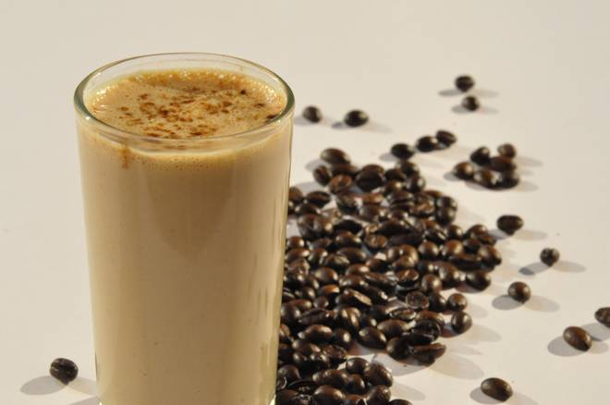
🍊 Restaurant Information

Name | La Brewed
Area | Akota
Rating | 4.6
Total Ratings | 27 ratings
Cuisines | Cafe
Cost for Two | ₹300 for two
Delivery Time | 25 mins
Swiggy URL | https://www.swiggy.com/city/vadodara/la-brewed-akota-rest1257209
Scraped On | 18 Mar 2026, 11:25 am

── Menu Stats ──
Total Items | 73
Veg Items | 0
Non-Veg Items | 0
Bestsellers | 0
Items with Photo | 35
Categories | Brownies, Lava Lush, Munchies, Hot Beverages, Cookies, Craving Combos, Desserts, Cold Beverages, Tea Cakes, Teacake (150g)

