Info
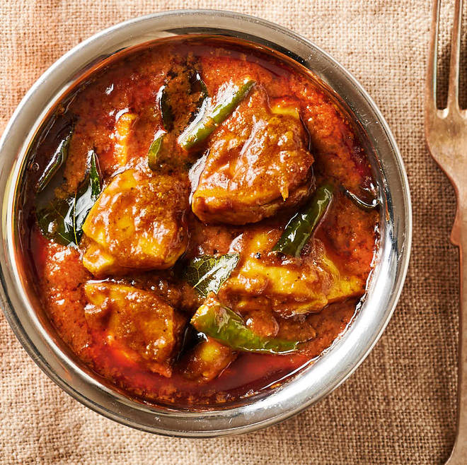
🍊 Restaurant Information

Name | Mahenoor Restaurant
Area | Mandvi
Rating | --
Total Ratings | Too Few Ratings
Cuisines | North Indian, Biryani
Cost for Two | ₹140 for two
Delivery Time | 35 mins
Swiggy URL | https://www.swiggy.com/city/vadodara/mahenoor-restaurant-vijay-nagar-mandvi-rest600561
Scraped On | 18 Mar 2026, 11:26 am

── Menu Stats ──
Total Items | 0
Veg Items | 0
Non-Veg Items | 0
Bestsellers | 0
Items with Photo | 0
Categories

