Info
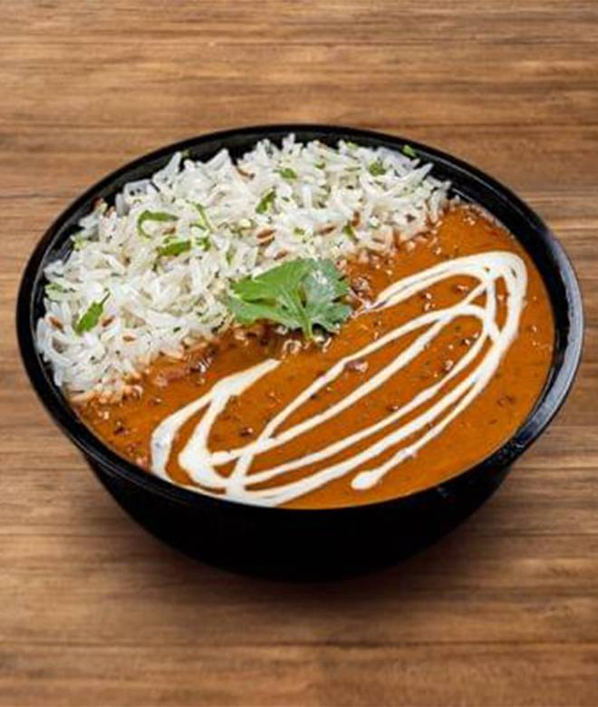
🍊 Restaurant Information

Name | Meals Express
Area | Akota
Rating | 4.2
Total Ratings | 1.1K+ ratings
Cuisines | North Indian, Mughlai
Cost for Two | ₹250 for two
Delivery Time | 24 mins
Swiggy URL | https://www.swiggy.com/city/vadodara/meals-express-darshnam-trade-centre-2-akota-rest731758
Scraped On | 18 Mar 2026, 11:25 am

── Menu Stats ──
Total Items | 50
Veg Items | 0
Non-Veg Items | 0
Bestsellers | 0
Items with Photo | 40
Categories | Rice Bowls, Paratha Meal Combo, A La Carte, Khichdi Bowls, Biryani Bowls, Vegan & No Onion No Garlic Rice Bowls, Desserts, Beverages, Sides & Beverages, Healthy Bowls By Mex

