Info
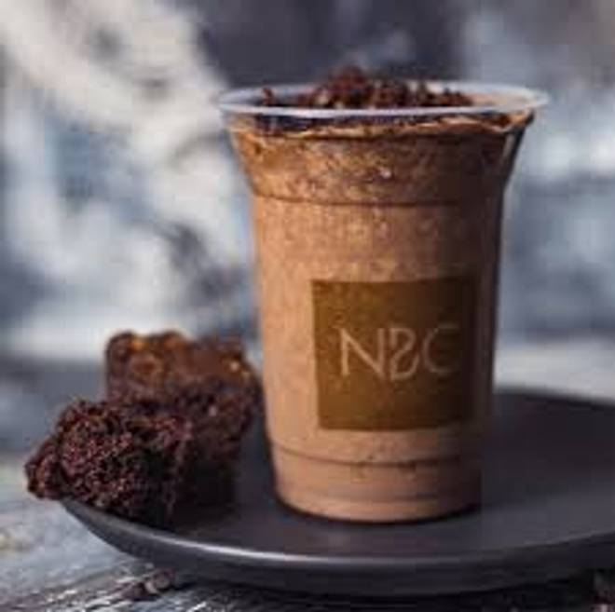
🍊 Restaurant Information

Name | NBC - Nothing Before Coffee
Area | Manjalpur
Rating | 4.3
Total Ratings | 43 ratings
Cuisines | Beverages, Fast Food
Cost for Two | ₹300 for two
Delivery Time | 30 mins
Swiggy URL | https://www.swiggy.com/city/vadodara/nbc-nothing-before-coffee-manjalpur-rest1268982
Scraped On | 18 Mar 2026, 11:20 am

── Menu Stats ──
Total Items | 164
Veg Items | 0
Non-Veg Items | 0
Bestsellers | 0
Items with Photo | 137
Categories | Cold Beverage, Combos, Hot Beverage, Desserts, Foods, Meal Start At 139

