Info
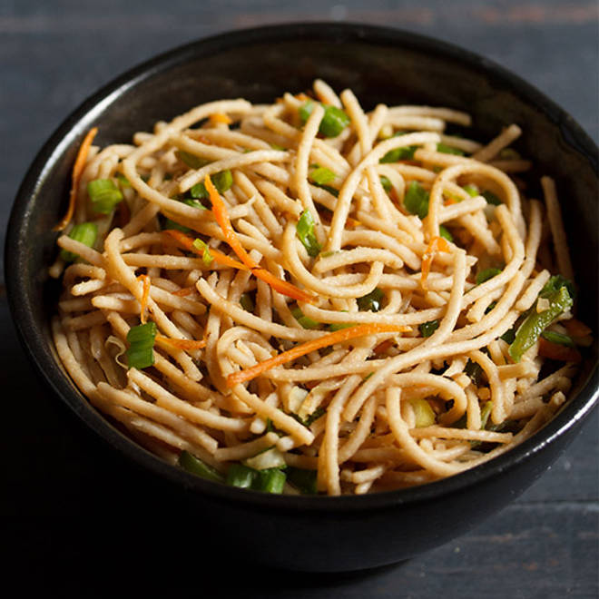
🍊 Restaurant Information

Name | Nilas Kitchen
Area | Fatehgunj
Rating | 4.7
Total Ratings | 8 ratings
Cuisines | Chinese, Fast Food
Cost for Two | ₹250 for two
Delivery Time | 33 mins
Swiggy URL | https://www.swiggy.com/city/vadodara/nilas-kitchen-eagle-appartment-fatehgunj-rest937377
Scraped On | 18 Mar 2026, 11:19 am

── Menu Stats ──
Total Items | 45
Veg Items | 0
Non-Veg Items | 0
Bestsellers | 0
Items with Photo | 23
Categories | Buy 2 Get 1 Free, Recommended, Thali, Veg Combos , Salads And Raita, Paneer, Kaju And Cheese, Veggies, Mutton, Egg, Fish And Prawns, Chapatis, Dal, Rice, Dessert, Water And Beverages

