Info
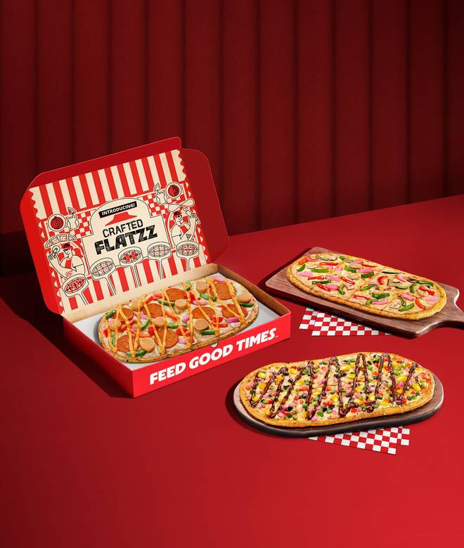
🍊 Restaurant Information

Name | Pizza Hut
Area | Karelibagh
Rating | 4.3
Total Ratings | 442 ratings
Cuisines | Pizzas
Cost for Two | ₹350 for two
Delivery Time | 32 mins
Swiggy URL | https://www.swiggy.com/city/vadodara/pizza-hut-nbcc-plaza-karelibagh-rest1073419
Scraped On | 18 Mar 2026, 11:21 am

── Menu Stats ──
Total Items | 105
Veg Items | 0
Non-Veg Items | 0
Bestsellers | 0
Items with Photo | 105
Categories | Recommended, Ultimate Cheese Crust Pizza, Veg Pizza, Non Veg Pizza, Flavour Fun Pizzas, Garlic Bread, Appetizers, Pastas, Hut Café, Drinks & Desserts, Everyday Meals, New Flatzz Pizzas - Light Crust, Big Flavour

