Info
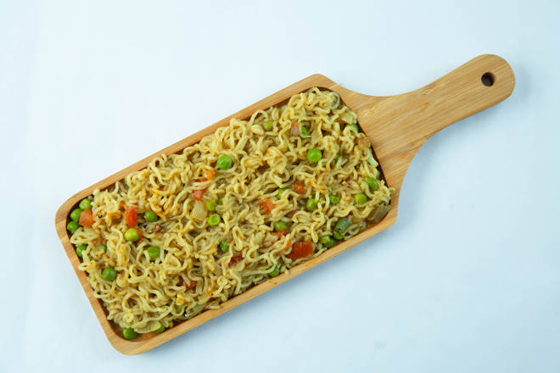
🍊 Restaurant Information

Name | Pizza Station
Area | Mandvi
Rating | --
Total Ratings | Too Few Ratings
Cuisines | Snacks, Fast Food
Cost for Two | ₹200 for two
Delivery Time | 38 mins
Swiggy URL | https://www.swiggy.com/city/vadodara/pizza-station-chhipwad-road-mandvi-rest616370
Scraped On | 18 Mar 2026, 11:27 am

── Menu Stats ──
Total Items | 33
Veg Items | 0
Non-Veg Items | 0
Bestsellers | 0
Items with Photo | 15
Categories | Maggi Time, Maggi, Snacks, Sendwich, Maggie Frankie Roll, Special Matka Maggi

