Info
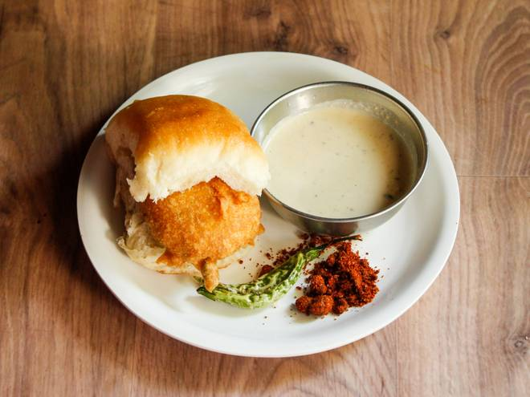
🍊 Restaurant Information

Name | Poha House
Area | Akota
Rating | 4.2
Total Ratings | 14 ratings
Cuisines | Fast Food
Cost for Two | ₹199 for two
Delivery Time | 20 mins
Swiggy URL | https://www.swiggy.com/city/vadodara/poha-house-akota-rest1012331
Scraped On | 18 Mar 2026, 11:27 am

── Menu Stats ──
Total Items | 54
Veg Items | 0
Non-Veg Items | 0
Bestsellers | 0
Items with Photo | 22
Categories | Recommended, Indori Samosa, Indori Poha, Maggi, Mumbai Vada, Tea and Coffee, Indori Dabeli, Indori Kachori, Shakes, Chaas and Lassi

