Info
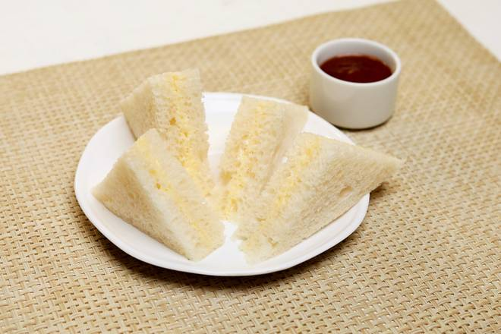
🍊 Restaurant Information

Name | Prithviraj Fast Foods and Snacks
Area | Mandvi
Rating | --
Total Ratings | Too Few Ratings
Cuisines | Fast Food, Burgers
Cost for Two | ₹150 for two
Delivery Time | 34 mins
Swiggy URL | https://www.swiggy.com/city/vadodara/prithviraj-fast-foods-and-snacks-akashganga-complex-mandvi-rest688913
Scraped On | 18 Mar 2026, 11:19 am

── Menu Stats ──
Total Items | 0
Veg Items | 0
Non-Veg Items | 0
Bestsellers | 0
Items with Photo | 0
Categories

