Info
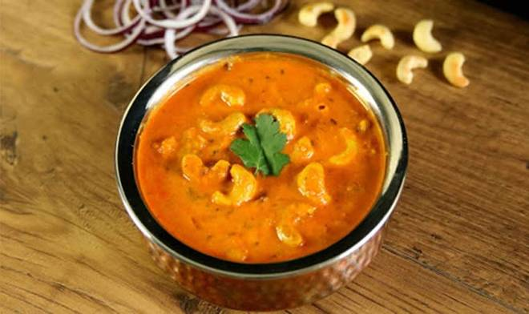
🍊 Restaurant Information

Name | Punjabi Corner
Area | Akota
Rating | 4.5
Total Ratings | 18 ratings
Cuisines | Mughlai, Tandoor
Cost for Two | ₹300 for two
Delivery Time | 27 mins
Swiggy URL | https://www.swiggy.com/city/vadodara/punjabi-corner-berrys-corner-akota-rest745910
Scraped On | 18 Mar 2026, 11:25 am

── Menu Stats ──
Total Items | 84
Veg Items | 0
Non-Veg Items | 0
Bestsellers | 0
Items with Photo | 36
Categories | Paneer Main Course, Veg Main Course, Rice/Biryani, Breads, Dal, Kaju Main Course, Special Combos, Meals For One, Roti, Special Thaali, Accompaniments

